COA Workbook Overview
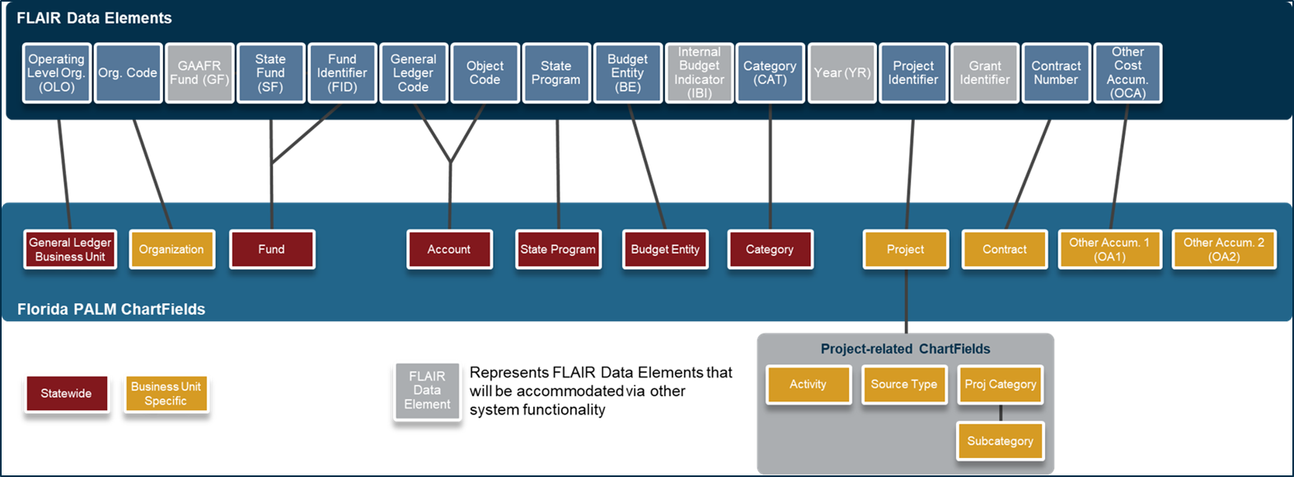
CMS Wave COA Configuration Values Workbook
Purpose
The purpose of the Chart of Accounts (COA) Configuration Workbook is to document the Florida PALM Chart of Account values for the CMS Wave to be used in online or interfaced transactions.
Instructions
Each Worksheet Tab has values defined in a column identified with a red border, and those values are used when entering or interfacing transactions to Florida PALM. Additional columns are used as a reference for what the value represents. The FUND and Budget Entity Worksheet tabs have filters, so that agencies can utilize the filter and see related values. The Account is detailed over multple WorkSheet tabs (blue tabs). The Account Tree Tab is a summary only and should not be used for inbound interface files. The details of the Account are shown in the remaining blue tabs.

